COD
NO | POD Branch | AWB | Nominal Tagihan | Nominal Transfer | Outstanding | Tanggal Transfer | Keterangan | Foto Bukti Transfer
1 | TH PADALARANG | 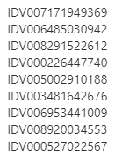 | Rp1,682,486 | Rp1,682,486 | Rp- | 7-Jan-21 |  | 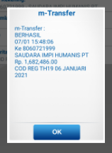
2 |  |  |  |  | Rp-
3 |  |  |  |  | Rp-

PAD
NO | POD Branch | Awb | Nominal Tagihan | Nominal Transfer | Outstanding | Tanggal Transfer | Keterangan | Foto Bukti Transfer
1 | TH PATROL |  | Rp22,500 | Rp22,500 | Rp- | 7-Jan-21 |  | 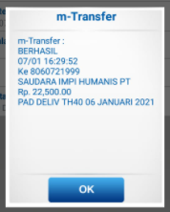
2 |  |  |  |  | Rp-
3 |  |  |  |  | Rp-

Cash Pu
NO | Shipping Date | Origin Branch | Awb | Nominal Tagihan | Nominal Transfer | Outstanding | Tanggal Transfer | Keterangan | Foto Bukti Transfer | (Pick-Up Reguler yang pilih Express type Cash)
1 | 6-Jan-21 | TH CIASEM |  | Rp34,000 | Rp50,000 | -Rp16,000 | 7-Jan-21 | Lebih Bayar Untuk bayar KEKURANGAN TGL 1 JAN 2021 Rp.15.500 dan KEKURANGAN TGL 5 JAN 2021 Rp.500 | 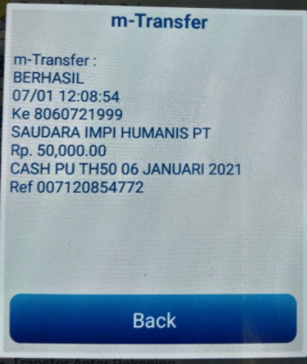
2 |  |  |  |  |  | Rp-
3 |  |  |  |  |  | Rp-

Monthly
NO | Shipping Date | Origin Branch | Awb | Nominal Tagihan | Nominal Transfer | Outstanding | Tanggal Transfer | Keterangan | Foto Bukti Transfer | (Pick-Up Reguler yang pilih Express type Montly)
1 | 1-Jan-21 | TH KARAWANG TIMUR | IDP164662668955 | Rp9,500 | Rp10,000 | -Rp500 | 2-Jan-21 | Lebih Bayar Rp 500 | 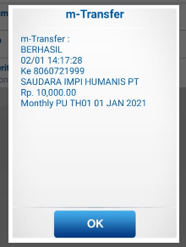
2 |  |  |  |  |  | Rp-
3 |  |  |  |  |  | Rp-

